Single winding
PT. SUMI RUBBER INDONESIA
WP | PROSEDUR EDIT SIZECODE |  |  |  | WE - 842/00
 | PADA SIDEWALL BOOKING
TUJUAN | : SEBAGAI GUIDANCE PRODUKSI DALAM EDIT CODE SIZE KRTIKA HASIL PRINTOUT TIDAK SESUAI
 | DENGAN ACTUAL KARENA ADA TROUBLE
RUANG LINGKUP | : SIDEWALL WINDUP
PIC | : OPERATOR, LEADER DAN FOREMAN
Guidance edit code size

1. Klik [F5] Barcode Ticket Re Print
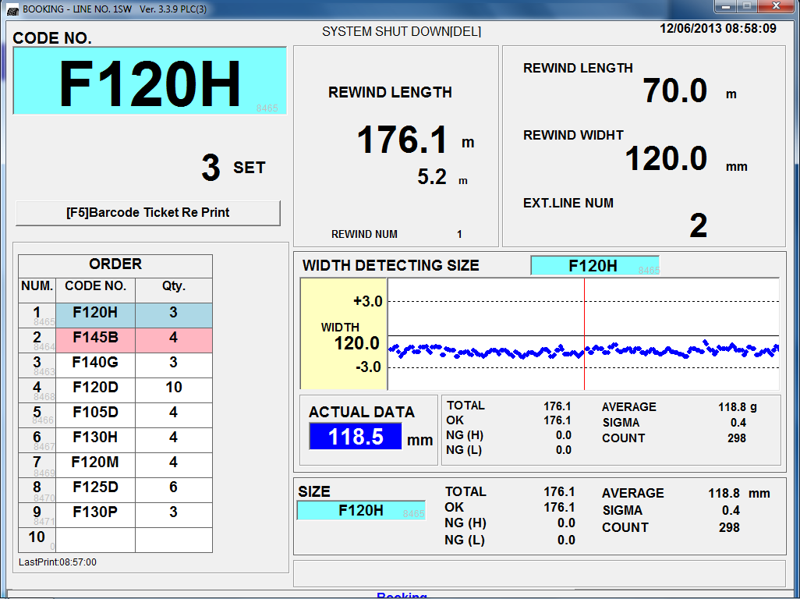

2. Pilih atau klik sizecode yang akan di edit

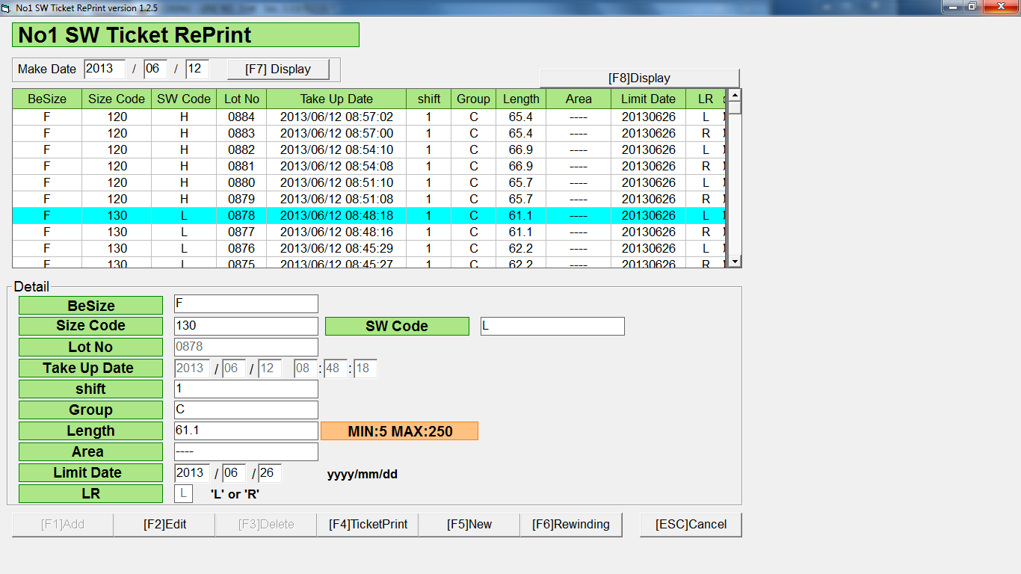

Issued date | Approved by |  | Checked by | Prepared by | Page
 |  |  |  |  | 1/3

 | Sutrisno | Juhdi M. | Chandra W. | Khoerul Anwar R.

PT. SUMI RUBBER INDONESIA
WP | PROSEDUR EDIT SIZECODE |  |  |  | WE - 842/00
 | PADA SIDEWALL BOOKING
3. Input ulang BeSize, Size Code dan SW Code sesuai dengan actual, kemudian klik [F2] Edit



4. Klik YES (Y)

4. Klik OK

Issued date | Approved by |  | Checked by | Prepared by | Page
 |  |  |  |  | 2/3

 | Sutrisno | Juhdi M. | Chandra W. | Khoerul Anwar R.

PT. SUMI RUBBER INDONESIA
WP | PROSEDUR EDIT SIZECODE |  |  |  | WE - 842/00
 | PADA SIDEWALL BOOKING

Sebelum diedit, code size = F130L



Setelah diedit, code size = F120H

Issued date | Approved by |  | Checked by | Prepared by | Page
 |  |  |  |  | 3/3

 | Sutrisno | Juhdi M. | Chandra W. | Khoerul Anwar R.

